Project Brief
Portfolio Project 3: Plan a Meta Campaign for a Budget

Problem Statement | Dame Essentials specialised in the production of Mulberry silk pillowcases and sleeping mask brands. It aims to create a buzz around its new launches and drive more sales. In this project, you are required to research Dame Essentials (India client) and then devise a complete Ads Strategy with a monthly budget of 30 lakhs.
Website Link | https://www.dameessentials.com/

Goal | This project consists of two tasks:
 | Task 1: Strategise a media plan for Dame Essentials with 30L as a budget to drive awareness, consideration, and online orders for their new launches (pillowcases and sleeping mask) over a month for Facebook and Instagram by dividing the budget as per the requirement. Your plan should include budget distribution, campaign structuring, targeting, placements, and formats.
 | Task 2: Imagine that you have already spent Rs 10L on an Ad Campaign and you haven't got the expected results. In the second task, you have to come up with an Optimisation Plan for the remaining Rs 20L to achieve a positive return on investment.

Instructions and Guidelines
Minor Project 5 is all about creating a Campaign Strategy for a fixed big budget and coming up with an optimization plan.
By doing this project, you'll be able to understand how companies run their ad campaigns using a big budget, and how they strategize, execute and optimise these Ad campaigns.
Make sure to document all the insights you generate while working on the project and submit your finished project in the PPT format.

Task 1
Your Task: Prepare a detailed report for the above client explaining your strategy |  |  |  |  |  | Things to remember
Buyer’s Persona |  |  |  |  |  | Maximum Budget | Rs. 30 L
Mention the number of campaigns |  |  |  |  |  | Average Order Value | Rs. 2500
Platforms you would use |  |  |  |  |  | Number of Units to be sold | 2000
Products to be targeted under each campaign
Your budget allocation under each campaign (budget distribution) |  |  |  |  |  | Your campaign should be divided into 3 phases. | Branding Phase - Awareness
Campaign objective, targeting, placements, and formats |  |  |  |  |  |  | Engagement Phase - Consideration
Metrics you would check |  |  |  |  |  |  | Performance Phase - Conversion
The strategy for running the campaigns (campaign structuring)

Task 2
Imagine that you run an Ad Campaign with a budget of Rs 10 Lakh for Dame Essentials using this Ad creative. The target products were Pillow covers and Sleeping Masks, and the Ads did not perform as per your expectations and incurred a negative ROI.

Ad Creative used for the Campaign |  |  |  | Dame Essential Product Page

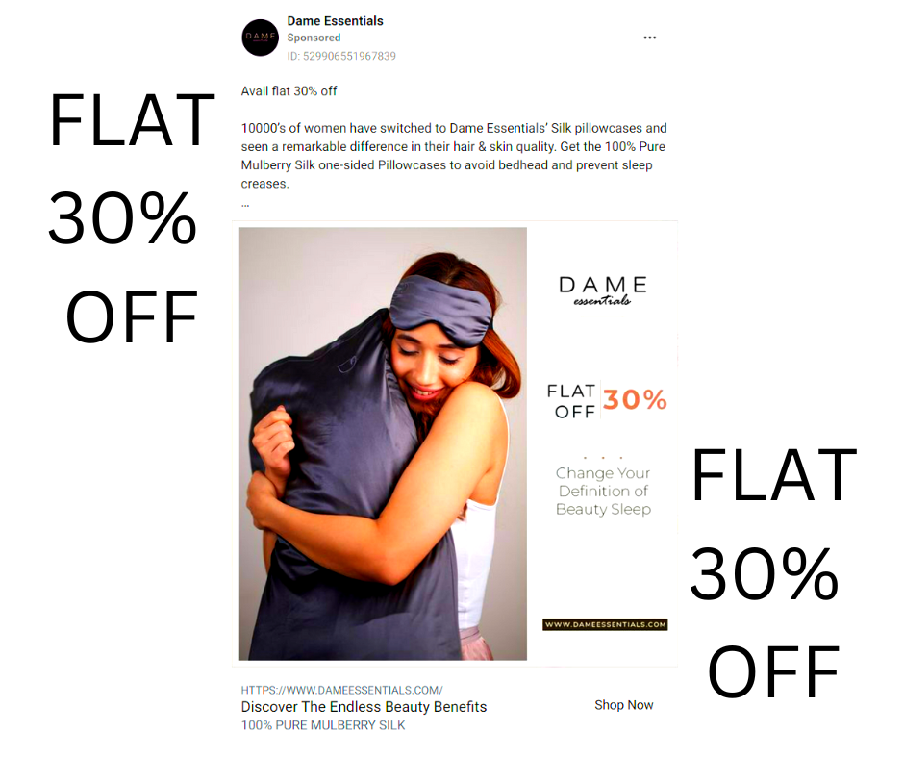
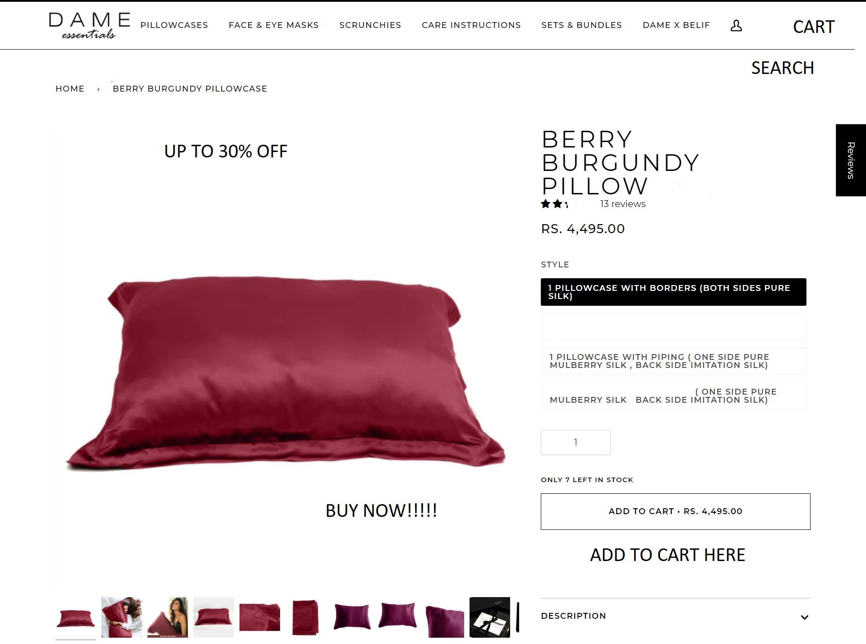

 | Here is how your ad has performed
 | Metrics |  | On Facebook |  | On Instagram
 | Budget Allocated |  | 400000 |  | 600000
 | Impression |  | 700000 |  | 900000
 | CTR |  | 0.22% |  | 0.27%
 | Avg Session Duration |  | 20 Seconds |  | 30 Seconds
 | No. of Add to Cart |  | 350 |  | 550
 | No. of Units Sold |  | 75 |  | 196
 | Conversion Rate |  | 4.90% |  | 8.10%
 | Avg Order Value |  | Rs 2500 |  | Rs 2700
 | ROAS |  | 0.468 |  | 0.882
 | ROI |  | -53.12% |  | -11.80%

Your Task | Come up with an Optimisation Plan for the remaining Rs. 20L to achieve a positive ROI and incur the losses that happened in the previous campaign.

Submission Details |  | You have to submit the finished project in the presentation PPT format.

Task 2
Portfolio Project 2: Plan a Meta Campaign for a Budget

Task 2 - Optimisation Strategy
In the project brief, you can see how the first Ad for Rs. 10L has been performed. Now you have to come up with an optimization strategy for the remaining budget of Rs. 20L to achieve a positive ROI.
 | Budget Allocation: Allocate 15 Lakh to Instagram (better CTR) and 5 Lakh to Facebook.
 | Higher Impression/CTR & Lower Bounce Rate: Use benefit-driven creative and optimize landing page load speed.
 | Increased Session Duration: Improve landing page content and navigation.
 | Higher Conversion & Lower Abandon Rate: Enable retargeting for abandoned carts and simplify the checkout process.
 | Number of units to sell: Aim for 800 units to reach positive ROI.
 | Avg purchase value: Target Rs. 2,500.
 | Positive ROAS/ROI: With 20 Lakh spent and 20 Lakh revenue, target 1:1, scale to 2:1 by increasing conversion rate.
 | Ad Creative Selection: Select the creative highlighting "Flawless Skin" and "Restful Beauty Sleep" because it focuses on user benefits rather than just price.

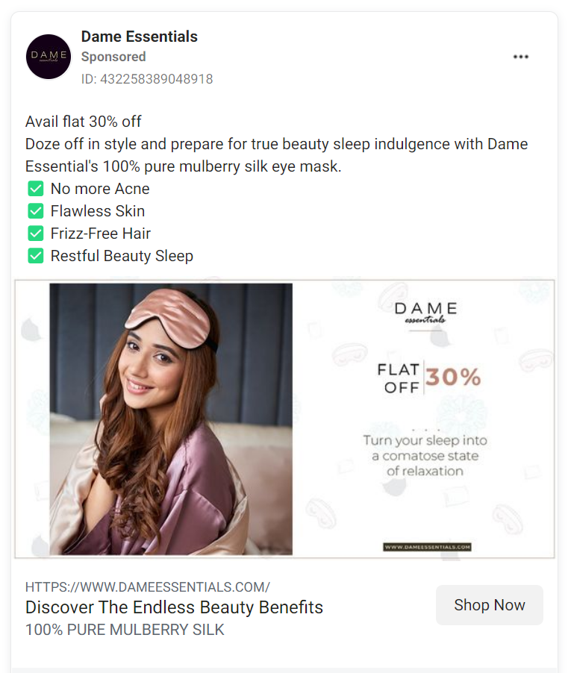

Positive ROAS/ROI: With 20 Lakh spent and 20 Lakh revenue, target 1:1, scale to 2:1 by increasing conversion rate.

Ad Creative Selection: Select the creative highlighting "Flawless Skin" and "Restful Beauty Sleep" because it focuses on user benefits rather than just price.

Briefly explain, how you are going to Optimise the Landing Page. What changes do you think should be made to improve the landing page of the Dame Essentials to reduce the bounce rate and increase the Conversion Rate?

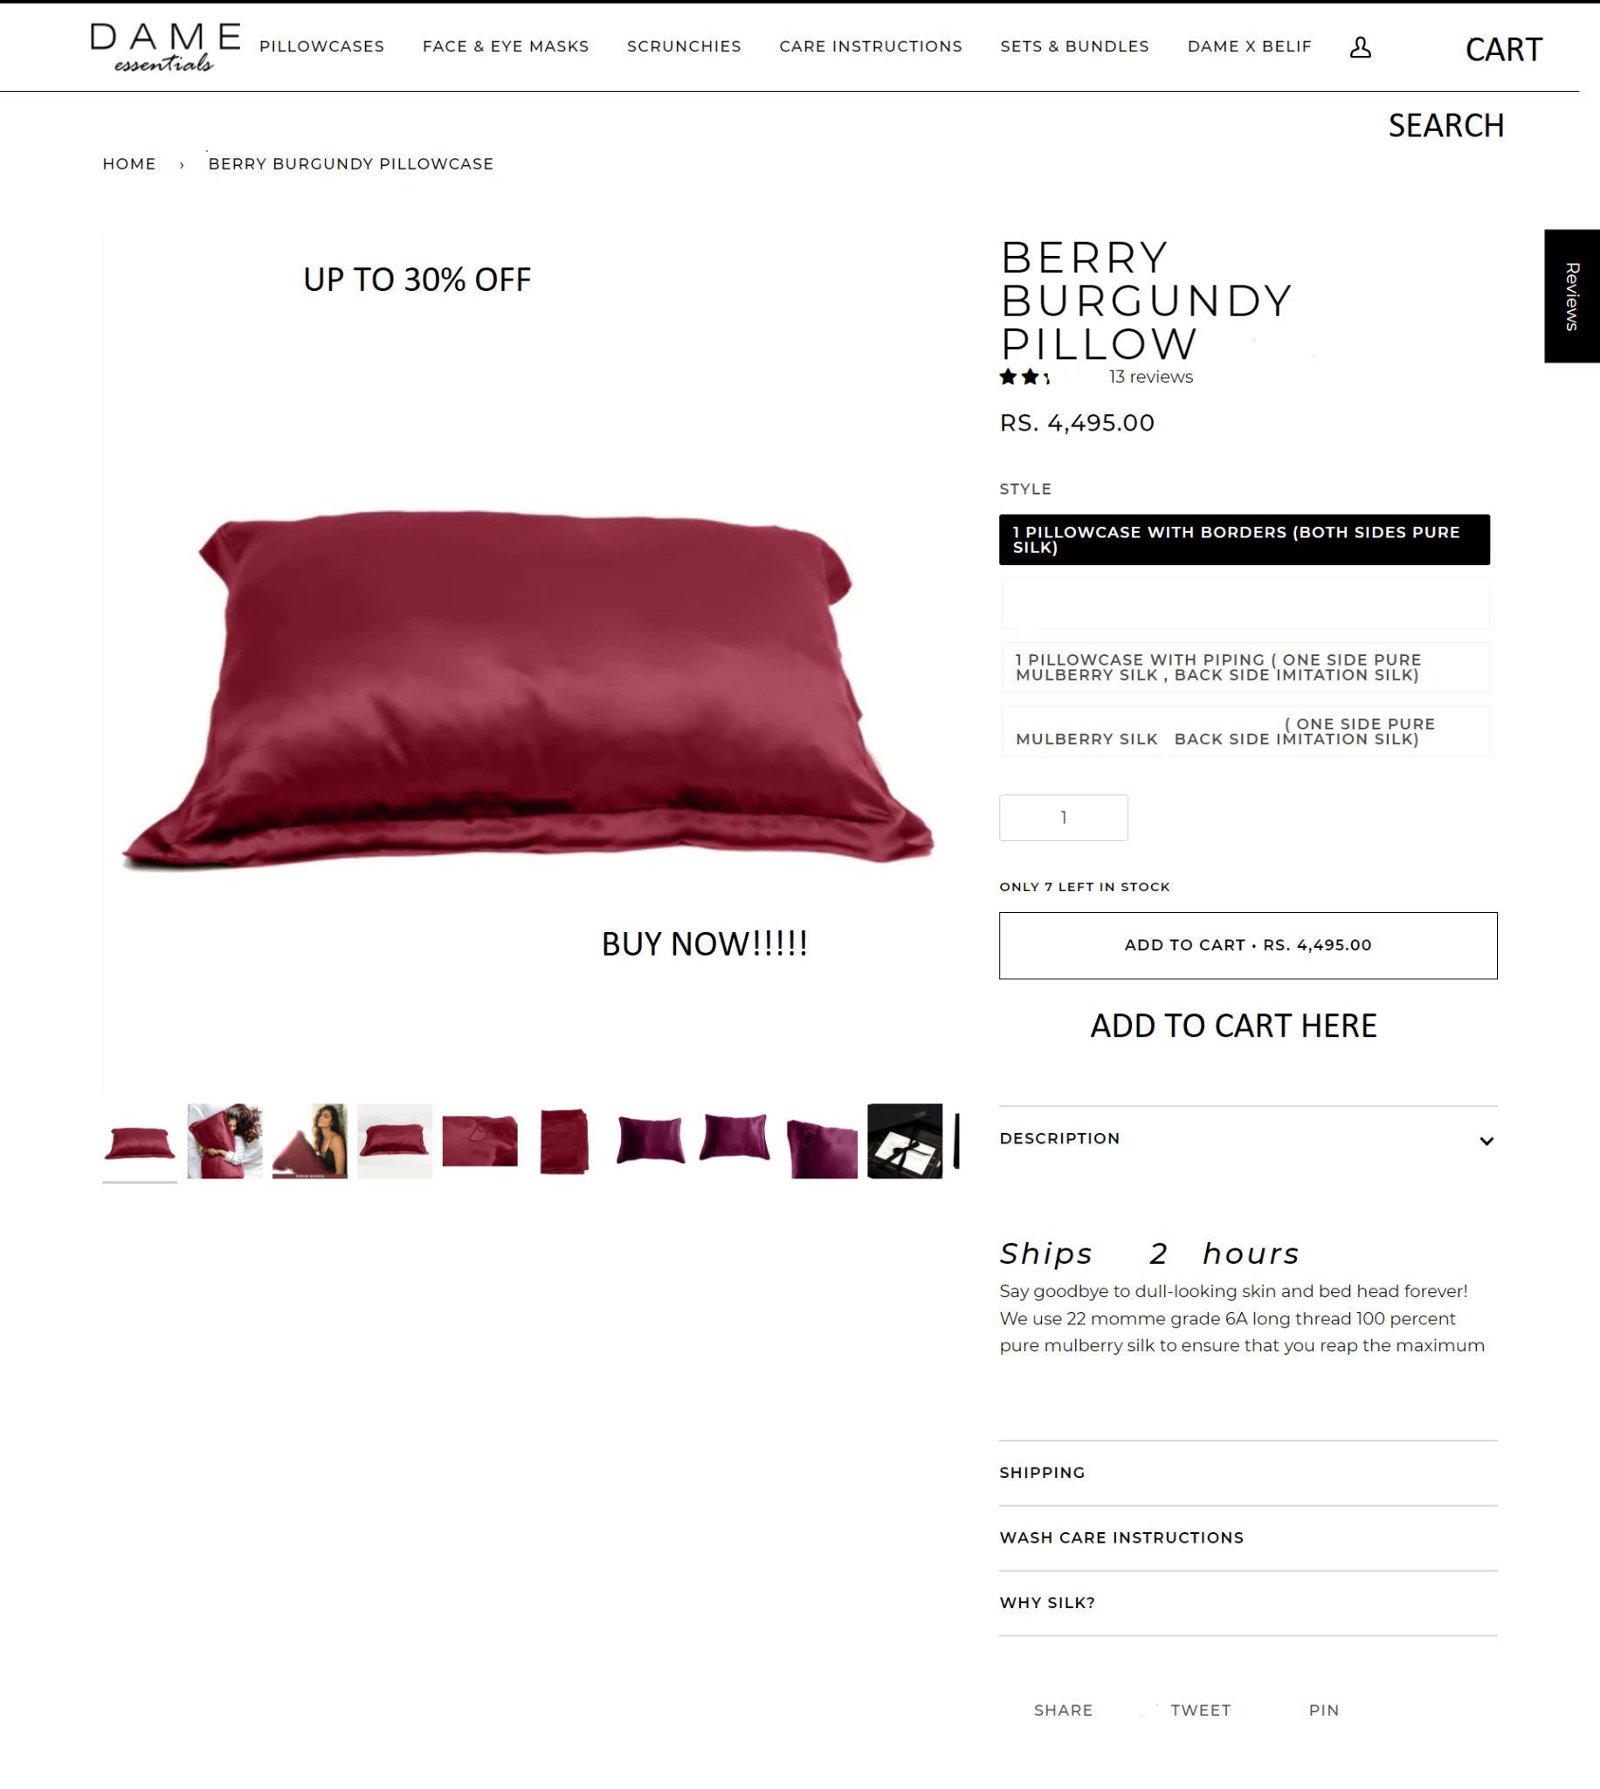



Additional Resource | Here is the document to revise all related metrics and formulas | Marketing Funnel and Metrics

